1103測試與品質判定結果
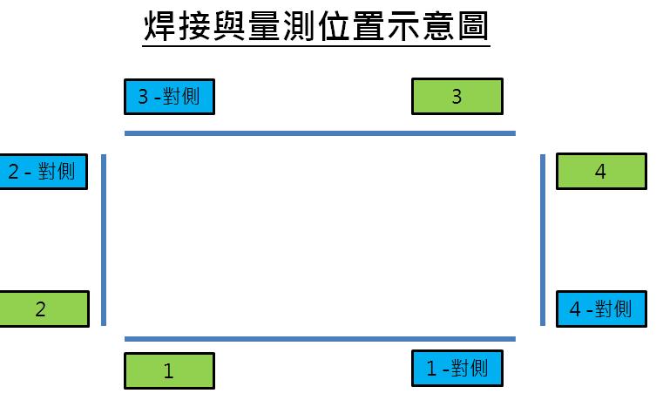 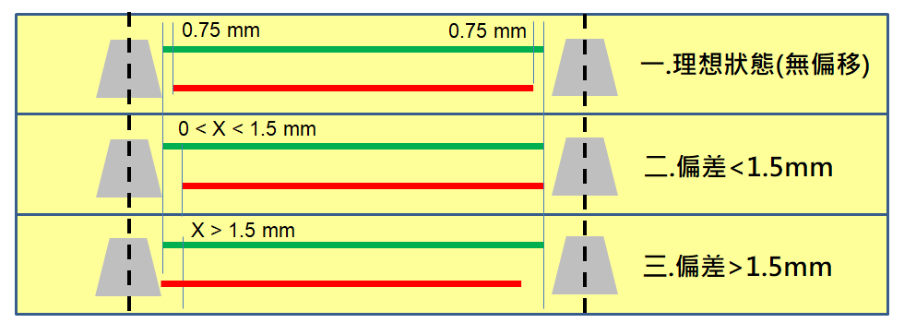 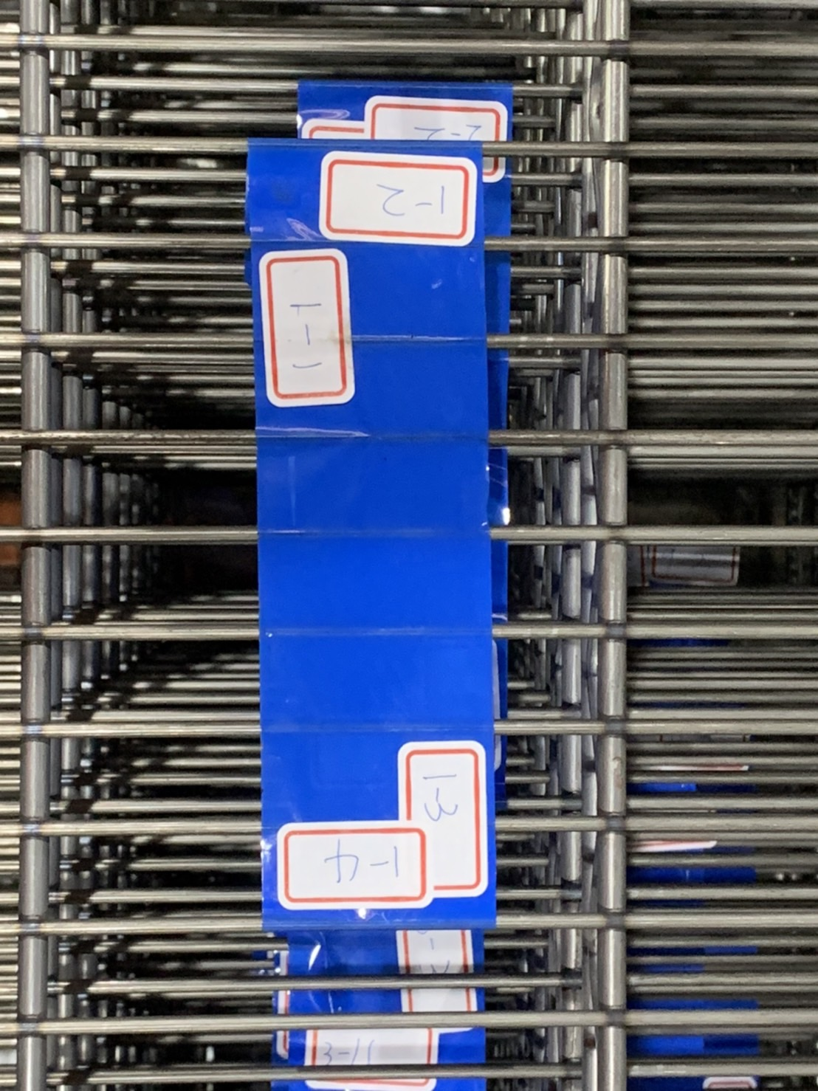
樣品 | 位置 | AOI 偏差值(上) -mm | AOI 偏差值(下) -mm | AOI 偏差值(X=下-上) -mm | 焊接品質判定 (OK/NG) (上) | 焊接品質判定 (OK/NG) (下) | 焊接品質判定 (OK/NG) (上)-對角 | 焊接品質判定 (OK/NG) (下)-對角 | 樣品 | 位置 | AOI 偏差值(上) -mm | AOI 偏差值(下) -mm | AOI 偏差值(X=下-上) -mm | 焊接品質判定 (OK/NG) (上) | 焊接品質判定 (OK/NG) (下) | 焊接品質判定 (OK/NG) (上)-對角 | 焊接品質判定 (OK/NG) (下)-對角
1 | 1 |  |  |  | OK | OK | OK | OK | 6 | 1 |  |  |  | OK | OK | OK | OK
 | 2 |  |  |  | NG | OK | NG | OK |  | 2 |  |  |  | OK | OK | OK | NG
 | 3 |  |  |  | OK | NG | OK | NG |  | 3 |  |  |  | NG | OK | OK | OK
 | 4 |  |  |  | OK | OK | OK | OK |  | 4 |  |  |  | OK | OK | OK | OK
2 | 1 |  |  |  | OK | OK | NG | NG | 7 | 1 |  |  |  | OK | OK | NG | OK
 | 2 |  |  |  | OK | OK | OK | OK |  | 2 |  |  |  | NG | NG | OK | OK
 | 3 |  |  |  | OK | OK | OK | NG |  | 3 |  |  |  | OK | OK | OK | OK
 | 4 |  |  |  | OK | OK | OK | OK |  | 4 |  |  |  | OK | OK | NG | OK
3 | 1 |  |  |  | OK | OK | NG | OK | 8 | 1 |  |  |  | NG | NG | OK | NG
 | 2 |  |  |  | OK | OK | OK | OK |  | 2 |  |  |  | OK | NG | OK | OK
 | 3 |  |  |  | OK | NG | OK | OK |  | 3 |  |  |  | OK | OK | NG | OK
 | 4 |  |  |  | OK | NG | NG | OK |  | 4 |  |  |  | NG | OK | NG | OK
4 | 1 |  |  |  | OK | OK | NG | OK | 9 | 1 |  |  |  | OK | OK | NG | OK
 | 2 |  |  |  | OK | NG | OK | OK |  | 2 |  |  |  | OK | OK | OK | NG
 | 3 |  |  |  | NG | OK | OK | OK |  | 3 |  |  |  | NG | NG | OK | OK
 | 4 |  |  |  | OK | OK | OK | OK |  | 4 |  |  |  | OK | OK | OK | OK
5 | 1 |  |  |  | OK | OK | OK | OK | 10 | 1 |  |  |  | OK | NG | NG | OK
 | 2 |  |  |  | NG | NG | OK | OK |  | 2 |  |  |  | OK | NG | OK | OK
 | 3 |  |  |  | OK | OK | OK | OK |  | 3 |  |  |  | OK | OK | OK | OK
 | 4 |  |  |  | NG | OK | OK | OK |  | 4 |  |  |  | NG | OK | NG | OK

